Location
SBM
구글맵 삽입

SB-9
Compact
SB-9 |  | 1.5-pocket Currency Discrimination Counter
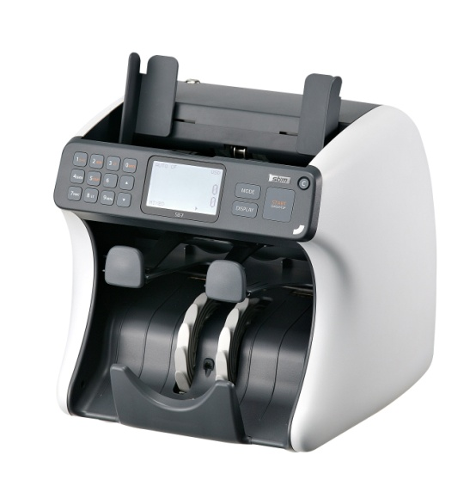
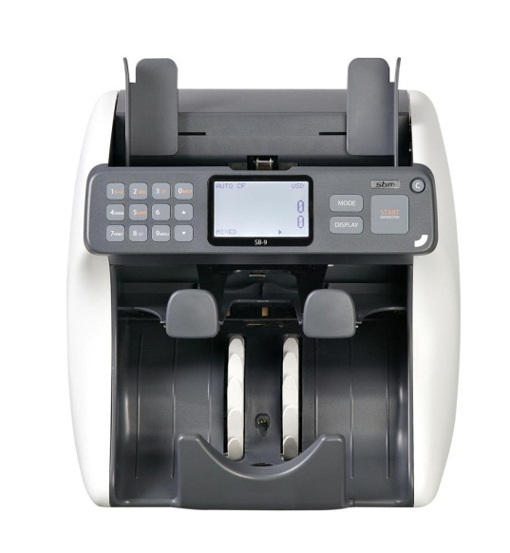
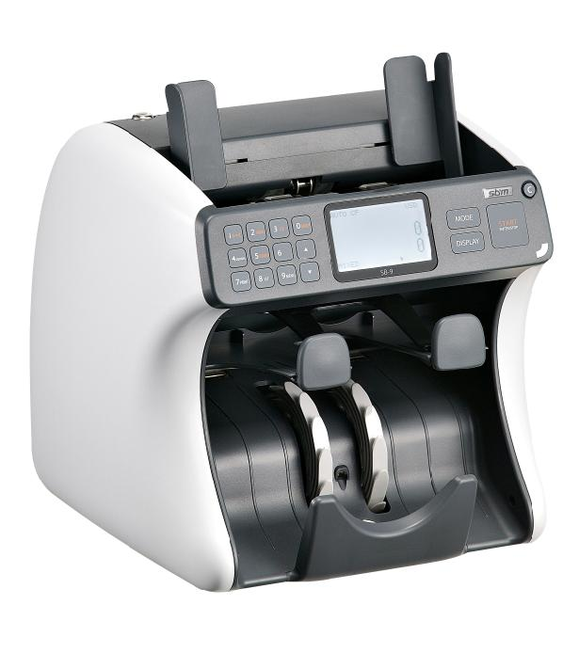

Detail Shot

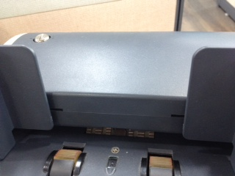

 |  |  |  |  | 500 notes of capacity in hopper

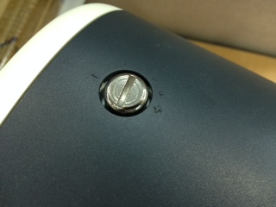

 |  |  |  |  |  | Easy hopper gap adjustment

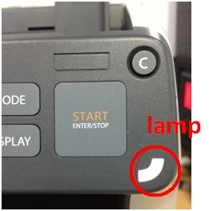

 |  |  |  |  |  | Warning lamp
 |  |  |  |  |  | on operation board

 |  |  |  |  |  |  | 3" LCD display
 |  |  |  |  |  |  | Hard Key

 |  | User Friendly Interface

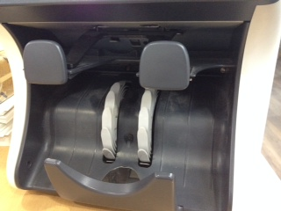

 | Non-stop counting by 1 Reject Pocket and 1 Stacker Pocket

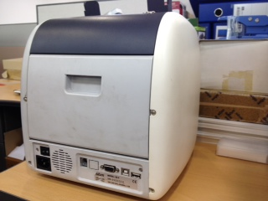
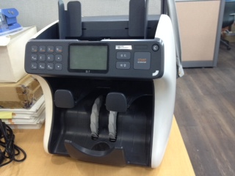
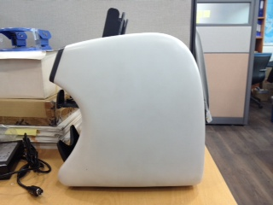

 |  | Small foot print

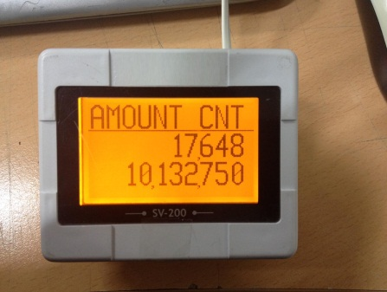
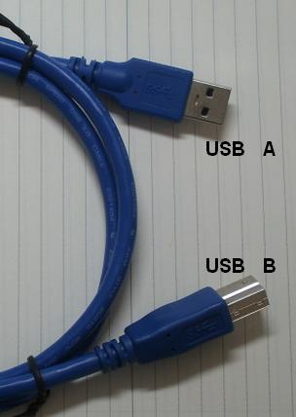
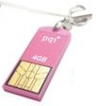
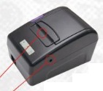
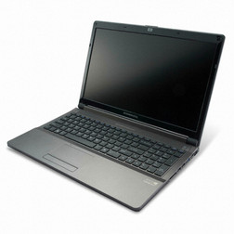

 | Various Interface

 | RJ11 |  | Customer display
 | RJ45 (LAN) |  | Computor for network or P-OCR
 | RS232C |  | Printer
 | USB B |  | Computor for image data collecting
 | USB A |  | Software upgrade by USB flash drive

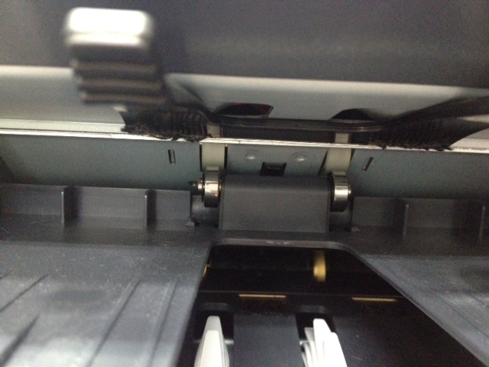

Push out by the last note with roller in reject pocket
Rollers in reject pocket pushes the last note.

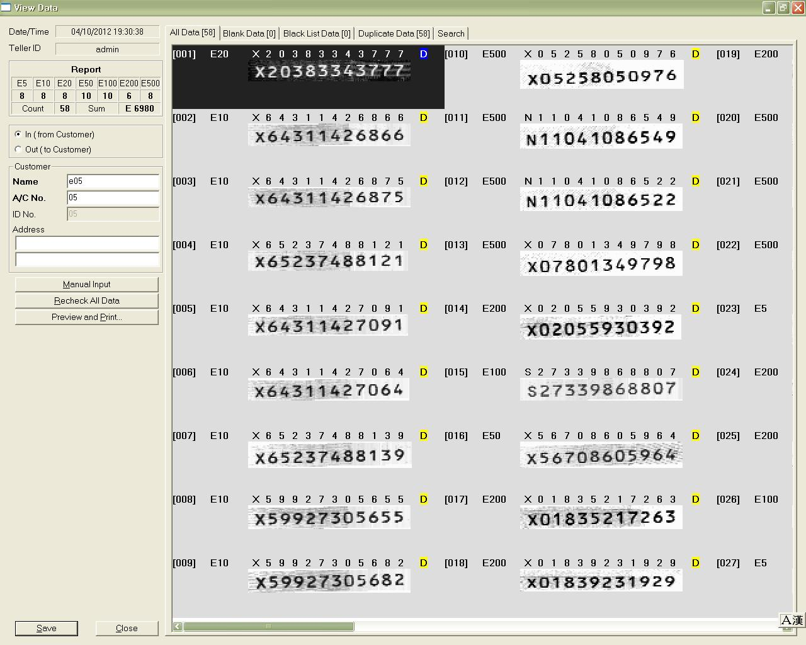

OCR(Optical Character Reader)
Serial number management system

 | SB-9
 | Features
 | Compact size
 | Can be placed even on a small table

 | 3" TFT LCD
 | Clearly visible 3" Color TFT LCD Display

 | Multi-currencies Capability
 | Can recognize up to 10 currencies

 | Various Count Modes
 | Mixed / Single / Count / Face / Orient/ (Issue / SRL / P-OCR)

 | Enhanced Counterfeit Detection
 | Multi-channels of UV / MR(Metal Thread Detection)
 | / Infrared / 3D size Detection / MG detection

 | Dual-User System
 | Two users can share one SB-9 unit

 | Easy Upgrade
 | Upgrade Using USB flash drive or PC interface

 | Easy Jam Removal
 | 2 openings from top and rear side of SB-9

 | User Friendly
 | Keyboard sound and light signal

 | Specification
 | Item |  |  | Specification
 | Dimension |  |  | 280(W) X 269(D) X 261(H)
 | Weight (Net) |  |  | Approx. 8 Kg
 | Hopper Capacity |  |  | Max. 500 notes
 | Stacker Capacity |  |  | Max. 200 notes
 | Reject Capacity |  |  | Max. 70 notes
 | Batch |  |  | 1 ~ 999
 | Counting Speed |  |  | 600/ 1000/ 1200 / 1500 npm
 | Counterfeit Detector |  |  | UV / MR / (MG) / IR
 | Interface |  |  | 2 RS-232C(9Pin D-sub & RJ11) / USB A&B / (LAN)
 | Power Supply |  |  | 100 ~ 240VAC.50/60Hz
 | Bank Note Size |  |  | W:100~185, H: 50~90
 | Bank Note Thickness |  |  | 0.07 ~ 0.12

SB-2000
ATM's Friend SB-2000
1.5-pocket Currency Discrimination Counter/ Fitness Sorter

Detail Shot

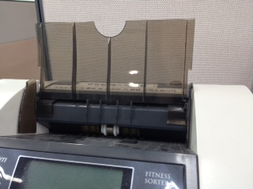

 |  | 500 notes of capacity in hopper

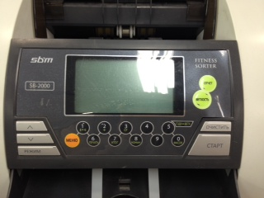

 |  | 3.7 inch Wide Screen

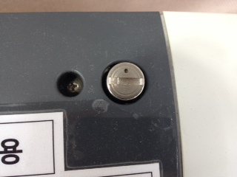

 |  | Easy hopper gap adjustment with a coin

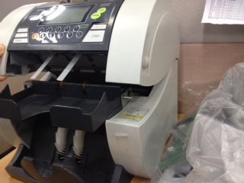

 |  | Simple to pick up jammed notes

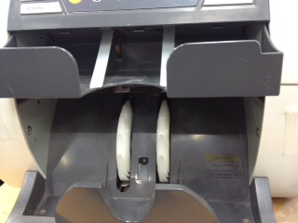

 | Non-stop counting by 1 Reject Pocket and 1 Stacker Pocket

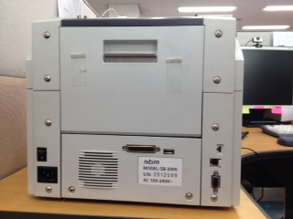
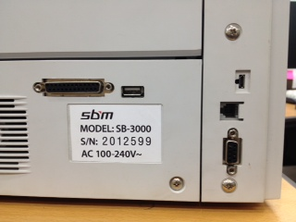

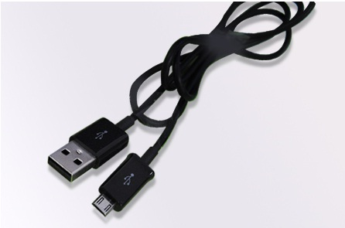

 |  | Various Interface

 | Parellel |  | Printer
 | USB A |  | Software upgrade by USB flash drive
 | micro USB |  | Computor for image data collecting
 | RJ11 |  | Customer display
 | RS232C |  | Computor for P-OCR

Features
Full fitness sorting
Detection of taped, soil, tear, msssing corner, Hole, dog ears, ink wear, etc.

4.2" Large Graphic LCD Display
4.2 inch clearly visible large Graphic LCD Display

Various Operation Modes
Mixed / Single / Face / Orient / Count /Fitness

Enhanced Counterfeit Detection
Magnetic sensor, UV sensor and IR sensor

Multi-Currencies Capability
Easy Upgrade
Using USB memory stick

Hotkey for Fitness mode
Easy to get in Fitness mode by pressing "Fitness" key

Easy Jam Removal
2 openings from top and rear side

User-Friendly Interface
Easy menu and settings

Specification
Item |  |  | Specification
Dimension |  |  | 312(W) X 321(D) X 289(H) mm
Weight |  |  | Approx.16 kg
Hopper Capacity |  |  | 300 notes
Stacker Capacity |  |  | Max.200 notes
Reject Capacity |  |  | Max.100 notes
Counting Speed |  |  | 800 / 1000 / 1200 npm
Fitness Speed |  |  | Approx.700 npm
Interface |  |  | 2 RS232C Port, 2 USB
Power Requirments |  |  | 100-240V~, 50~60Hz
Power Supply |  |  | 100 ~ 240VAC50/60Hz

SB-3000
A compact FITNESS SORTER SB-3000
3-pocket Currency Discrimination Counter/ Fitness Sorter
Reduce cash transport and cash reserves. Safer & more economic!
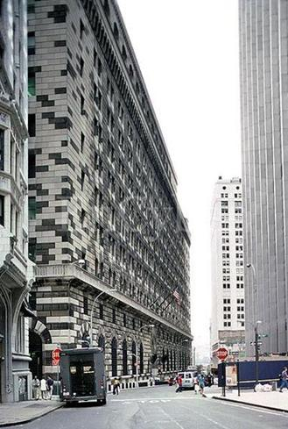

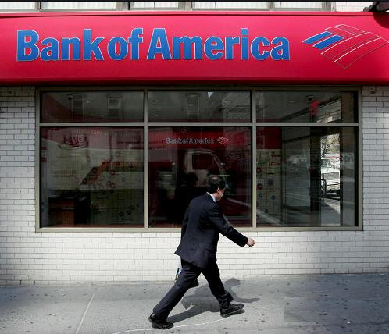
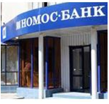
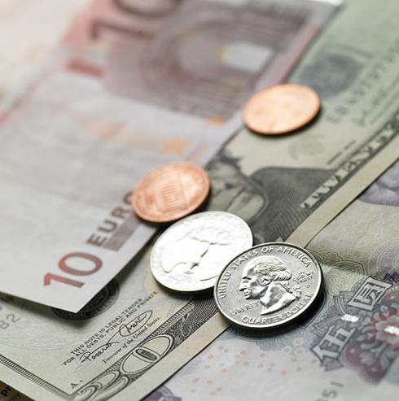
Sorting in branch offices
main branch /
central bank /
contracted company

Detail Shot

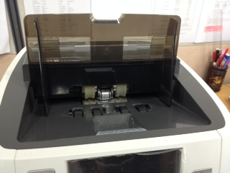

 | 600 notes of capacity in hopper

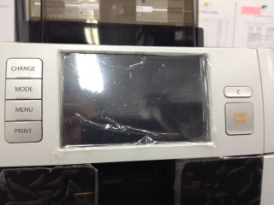

 | 5 inch Wide Color Touch Screen
 | User friendly interface based on WINDOW CE

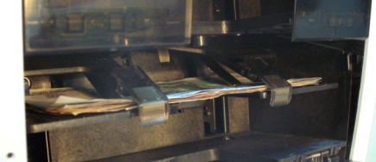

 | Innovative technology of LIFT TYPE STACKER
 | defends fly-out and overflow of banknotes

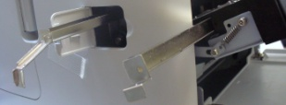

 | Easier maintenance
 | by SENSOR CLEANING SYSTEM

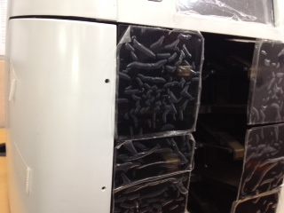

 | Warning lamps

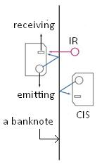

 |  | TWO CIS help accurate detection
 |  | by transmitted & reflected visible
 |  | and infrared images

TRANSPORTING BELTS quickly and accurately move banknotes without distortions reducing errors

 | SB-3000
 | Features
 | Fitness Sorting
 | Tape, Dog-ear, Soil, Tear, Hole, Graffiti, Stamp etc.

 | Multi Currencies Cpapbility
 | Can recognize up to 10 currencies

 | Various Operating Modes
 | Mixed / Single / Face / Orient / Count / (Issue / SRL / P-OCR)

 | Various Count Modes
 | Mixed / Single / Count / Face / Orient / Fitness /
 | (Option: Issue / Serial No. Recognition & Comparison)

 | New Type of Stacker
 | Lift Type

 | Enhanced Sensors
 | CIS(Option: 2 CIS) / Magnetic/ UV / IR
 | Mechanical Roller Tape Detector

 | User Friendly
 | Resistive Touch Screen + Hard Key, 5"TFT Color LCD
 | Multi Language support

 | Specification
 | Item | Specification
 | Dimension | 306(W) X 334(D) X 380(H)
 | Weight (Net) | Approx. 18 Kg
 | Nos of Pockets | 2 + 1 (Reject)
 | Hopper Capacity | 700 notes
 | Stacker Capacity | 200 notes
 | Reject Capacity | 100 notes
 | Counting Speed | 700/ 1000 npm
 | Interface | 3 RS-232C(9Pin D-sub & 2 RJ11) / USB A&B / (LAN)

